factsheet
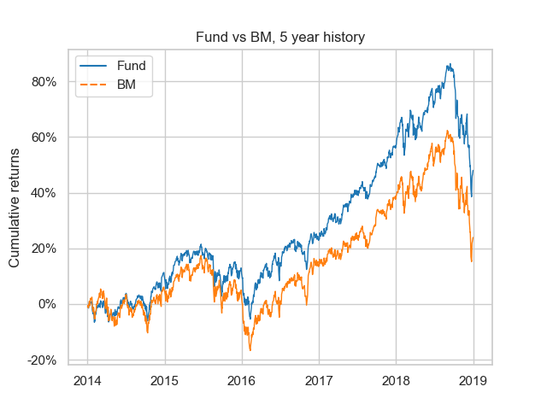
Returns below with a minimal history of 1 year are annualized based on 251 days
 | Fund | BM | Excess
month | -10.95% | -11.75% | 0.80%
ytd | -5.15% | -9.93% | 4.78%
1 year | -5.17% | -9.97% | 4.80%
3 year | 10.03% | 6.44% | 3.60%
5 year | 8.15% | 4.38% | 3.77%

Returns per yearly period
 | Fund | BM | Excess
2018 | -5.15% | -9.93% | 4.78%
2017 | 27.01% | 21.26% | 5.75%
2016 | 10.54% | 10.37% | 0.17%
2015 | 1.22% | -2.05% | 3.27%
2014 | 9.80% | 4.94% | 4.86%

Sharpe Ratio, Information Ratio, Tracking Error
 | Fund_SR | Fund_IR | Fund_TE
1 year | -0.40 | 0.90 | 0.05
3 year | 0.61 | 0.75 | 0.05
5 year | 0.51 | 0.71 | 0.05

Fama French 3 factor regression
 | params | tvalues | pvalues
Mkt-RF | 0.97 | 129.20 | 0.00
SMB | 0.52 | 41.82 | 0.00
HML | -0.10 | -8.27 | 0.00
Alpha | 0.00 | 0.94 | 0.35

 | Multi factor
rsquared | 0.94

Benchmark regression
 | params | tvalues | pvalues
BM | 0.80 | 131.64 | 0.00
Alpha | 0.00 | 2.44 | 0.01

 | Benchmark
rsquared | 0.93

Information for period ending on 2018-12-31. Regressions are based on a 5 year history.

